George Inventory
George T-Shirts

Retail: $7.44 (tagged)

Material Content: 100% cotton

Weight: 165 gsm

Label: George

Has hangtag and bar code.

Quantity: 134,400 units

Take All Price: $2,00 per unit Ex Warehouse, NY
Call for less than take all price.
Subject to change and prior sale.

Style | Color | Dept | Discription | Image | Size | Ratio | Case Pack | # Cases | # Units
73922 | BLACK | 58 | MENS SPACE DYE POCKED TEE ON HANGER 100% Cotton | 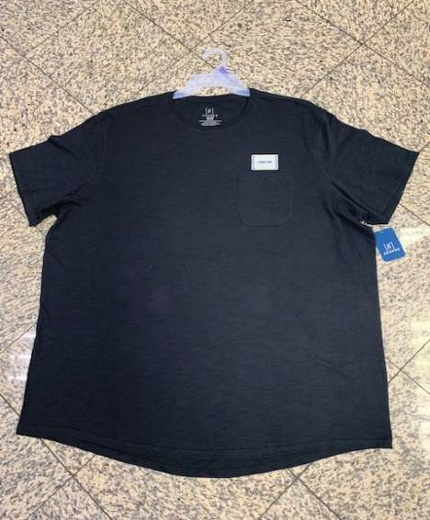 | S-3XL | 4-6-7-6-4-3 | 30 | 1,477 | 44,310
73917 | WINE | 58 | MENS SPACE DYE POCKED TEE ON HANGER 100% Cotton | 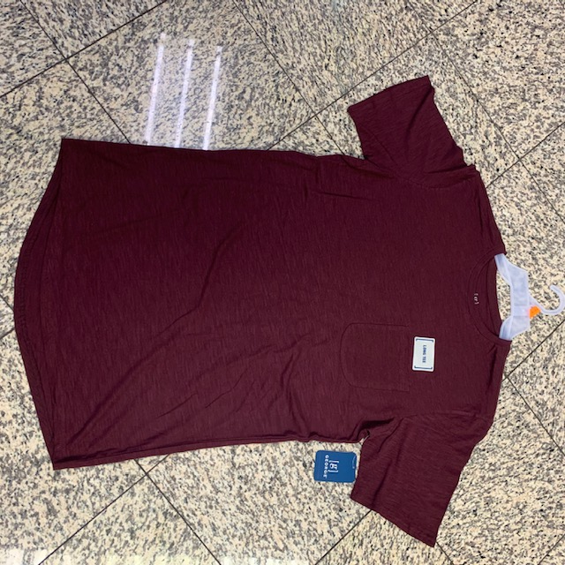 | S-3XL | 1-2-3-3-2-1 | 12 | 864 | 10,368
73907A | GREY | 58 | MENS SPACE DYE POCKED TEE ON HANGER 100% Cotton | 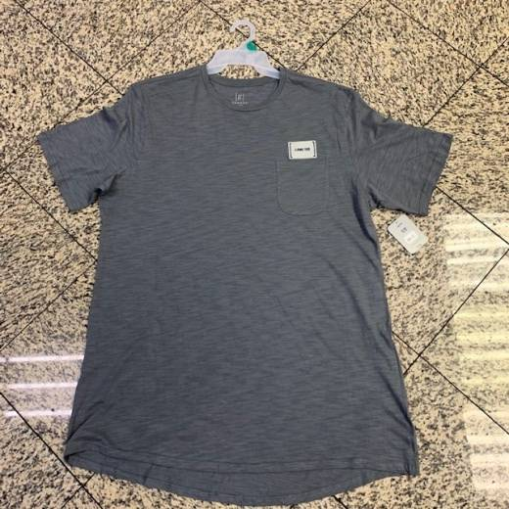 | S-3XL | 2-3-5-5-3-2 | 18 | 410 | 7,380
73907B | GREY | 58 | MENS SPACE DYE POCKED TEE ON HANGER 100% Cotton |  | S-3XL | 3-5-5-5-3-3 | 24 | 733 | 17,592
73912A | BLUE SHANK | 58 | MENS SPACE DYE POCKED TEE ON HANGER 100% Cotton | 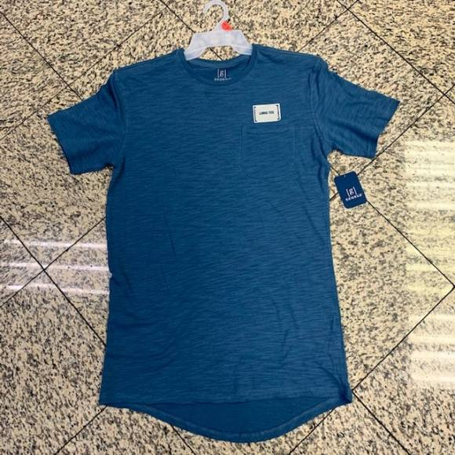 | S-3XL | 1-2-3-3-2-1 | 12 | 1,807 | 21,684
73908 | ROSE | 58 | MENS SPACE DYE POCKED TEE ON HANGER 100% Cotton | 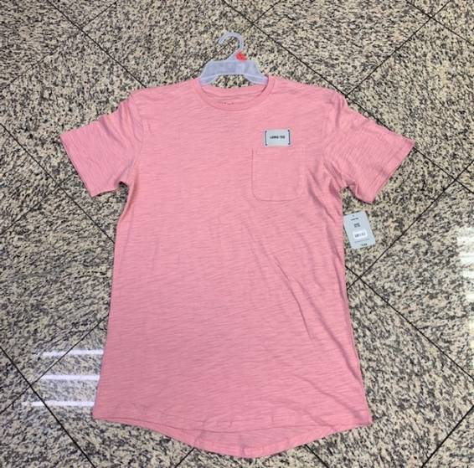 | S-3XL | 1-2-3-3-2-1 | 12 | 1,732 | 20,784
73912B | BLUE COVE DARK | 58 | MENS SPACE DYE POCKED TEE ON HANGER 100% Cotton | 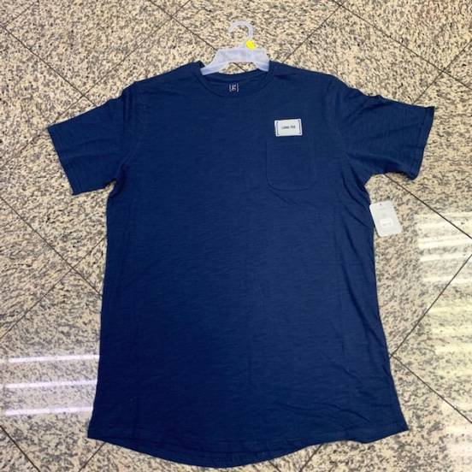 | S-3XL | 2-3-4-4-3-2 | 18 | 66 | 1,188
MENS TEES - S | GREY | 58 | MENS SPACE DYE POCKED TEE ON HANGER 100% Cotton |  | S |  | 10 | 45 | 450
MENS TEES - M | GREY | 58 | MENS SPACE DYE POCKED TEE ON HANGER 100% Cotton |  | M |  | 12 | 87 | 1,044
MENS TEES - L | GREY | 58 | MENS SPACE DYE POCKED TEE ON HANGER 100% Cotton |  | L |  | 12 | 30 | 360
MENS TEES -XL | GREY | 58 | MENS SPACE DYE POCKED TEE ON HANGER 100% Cotton |  | XL |  | 12 | 41 | 492
MENS TEES - 2XL | GREY | 58 | MENS SPACE DYE POCKED TEE ON HANGER 100% Cotton |  | 2XL |  | 10 | 39 | 390
MENS TEES -3XL | GREY | 58 | MENS SPACE DYE POCKED TEE ON HANGER 100% Cotton |  | 3XL |  | 10 | 45 | 450
BLO500T | ASST | 58 | MENS SPACE DYE POCKED TEE ON HANGER 100% Cotton |  | ASST | 4-7-8-8-5-4 | 36 | 6 | 216
GM48- 54PC | ASST | 58 | MENS SPACE DYE POCKED TEE ON HANGER 100% Cotton |  | ASST |  | 54 | 10 | 540
GM48A | ASST | 58 | MENS SPACE DYE POCKED TEE ON HANGER 100% Cotton |  | ASST |  | 60 | 28 | 1,680
GM48-72 PC | ASST | 58 | MENS SPACE DYE POCKED TEE ON HANGER 100% Cotton |  | ASST |  | 72 | 76 | 5,472
 |  |  |  |  |  |  |  | 7,496 | 134,400

